Definition
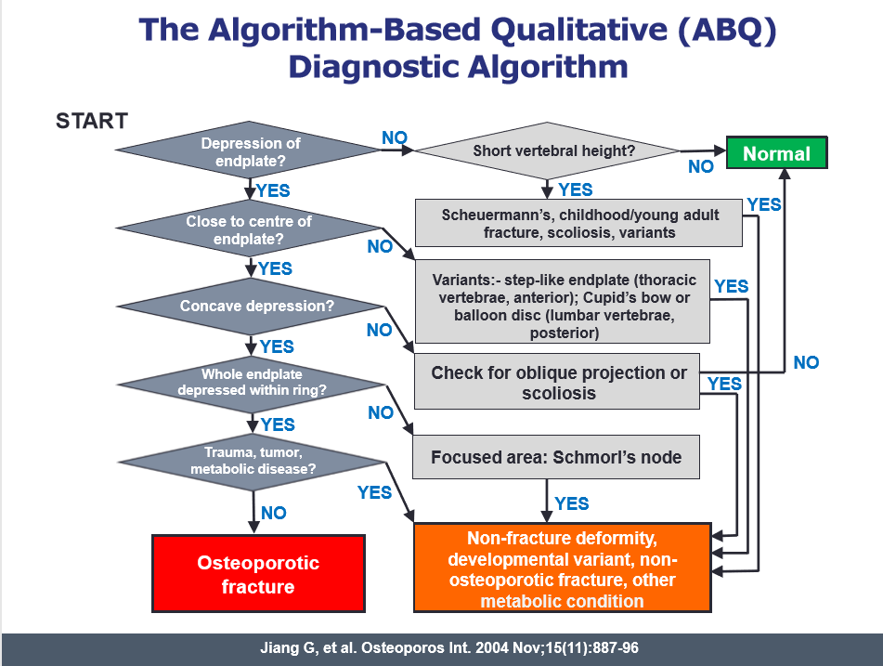
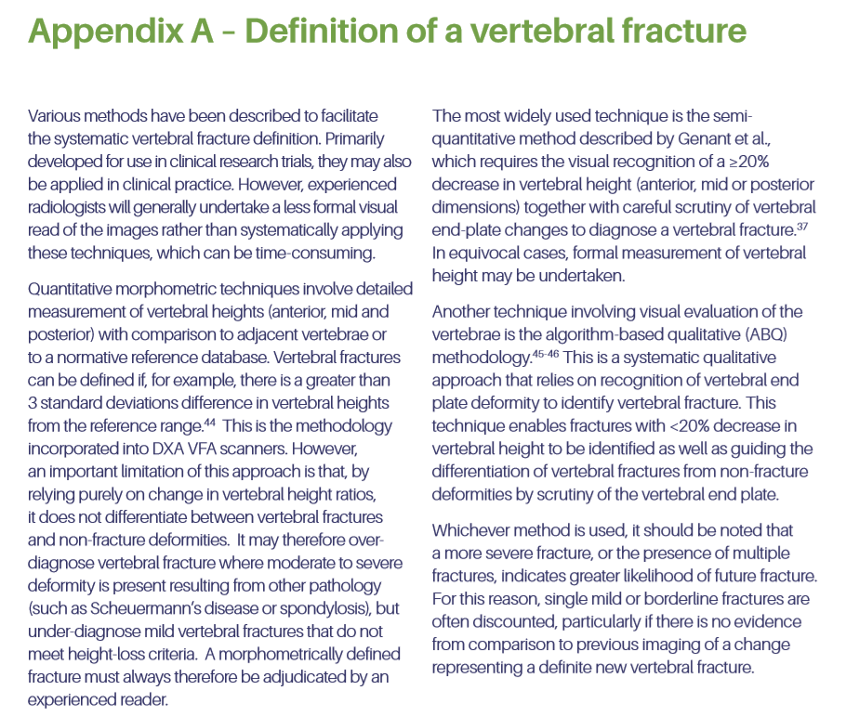
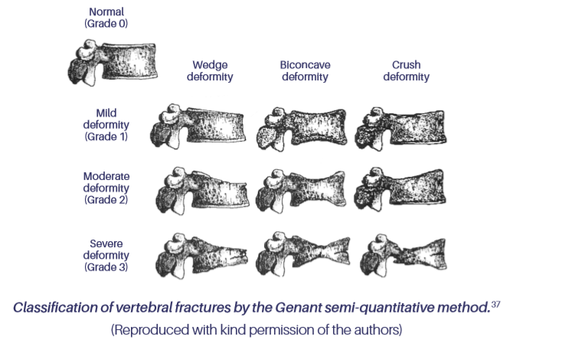

37 Genant HK, Wu CY, van Kuijik C, Nevitt MC. Vertebral fracture assessment using a semi-quantitative technique JBMR. 1993;8(9):1137-48.

