Using this model
Incidential Vertebral Fracture Demand Model
Using the model
Conditions of use - important, please read
This tool has been created by the Royal Osteoporosis Society to assist NHS organisations in auditing systems and clinical practice to find vertebral fractures.
The report is free and no copyright attaches to any part of the report. The report does not represent the views of the Royal Osteoporosis Society.
Every effort has been made to make sure that the information contained within this document is accurate and in full compliance with UK law and with best practice at the time of writing.
There is no guarantee as to the accuracy of the or reliability of any information contained in this report and use of the information contained is at the user’s risk and no liability whatsoever is accepted by the Royal Osteoporosis Society.

 | Purpose
 |  | The Incidental Vertebral Facture Demand Model (hereafter referred to as the 'Model') will predict the estimated number of new referrals to FLS from the incidental finding of vertebral fracture, from diagnostic imaging tests and scans, in people aged over 50 years in defined population.

 |  | The output relies on data collection from diagnostic imaging tests such as computerised tomography (CT) and magnetic resonance imaging (MRI) scans and includes the referral source, type of fracture and a review of the imaging used for data collection.
 |  | This model is informed by the vertebral fracture management for secondary fracture prevention pathway. (tab 6)

 | Instructions
 |  | Each sheet contains information on the purpose of the sheet and instructions on how to enter data (where applicable). A brief description of each sheet is given below:

 |  | Using this model | (This sheet). Description of the tool, its use and purpose plus disclaimer.

 |  | Criteria | Gives information about the audit and details of criteria for inclusion

 |  | Data collection | Audit data should be entered on this sheet. Please read the instructions and note restrictions on data entry

 |  | Report | This sheet outputs a summary table of the data you entered on Data collection and calculates the estimated demand

 |  | Vfx Definition | This sheet contains an extract from an authoritative publication on defining vertebral fractures

 |  | Vfx Management | Includes a diagram for suggested management of vertebral fracture

 |  | Be aware that data collection informs the output and this may be biased depending on the individual departments sessional booking of CT scan lists. For example if data is collected from a dedicated oncology session this will bias the output.

 |  | This model also may be biased as data collection is from those aged 50 and over however younger patients are also included in the weekly and annual number of scans performed at a centre. |  | Not sure that 'biased' is the right term

Criteria
Incidential Vertebral Fracture Demand Model
Audit description and criteria
Instructions and notes for this sheet
This sets out the criteria for inclusion in the audit.
Guidance only - do not enter data on this sheet.

 | Audit description
 |  | A retrospective audit evaluating the proportion of incidentally found vertebral fractures in CT chest abdomen and pelvis studies to include referral source. Supporting demand modelling through vertebral fracture management decision tree.

 | Inclusion criteria
 |  | Criterion |  | Guidance
 |  | 1 | Number in audit | Up to 200 consecutively acquired CT CAP. 150-200 data entries are recommended

 |  | 2 | Age | Aged 50 years and over

 |  | 3 | Assessment | Sagittal views of the spine (MPR) are assessed, by a clinician with experience of interpreting spine images, for the presence of moderate and severe vertebral fractures

 |  | 4 | Definition | Vertebral fractures are defined using either semi-quantitate morphometry (Genant et al) or the algorithm-based quantitively (ABQ) (Jiang et al) method (sheet 4)
 |  |  |  | Vertebral fracture type is recorded (metastatic/pathological/traumatic)

 |  | 5 | History | History of FLS/secondary fracture prevention/osteoporosis referral is recorded

 |  | 6 | Referral source | Referral source/type is recorded (oncology staging/trauma)

 |  | 7 | Output | Demand model indicates the expected number of new FLS assessments per n. CT scan input.

 | Notes
 |  | Data from previously collected vertebral fracture prevalence or reporting audit may be used to inform criteria 1, 2,3 and 4

 |  | This audit could be applied to all imaging.

Data collection
Incidential Vertebral Fracture Demand Model
Data collection
Instructions and notes for this sheet
This sheet should be used to enter data from your audit. Please enter data in the columns indicated. The Model only allows the following data items to be entered in each column, any other value will result in an error message
0 = No 1 = Yes
Please do not enter data in the columns coloured in pale blue as these are calculated values using the data in the row in which you have entered your data. These are used to calculate outputs. Please do not add or remove rows.
A filter button has been added to allow you to search for rows with specific values in each column. This can help to trace any errors. To activate the filter click on the small button in teh bottom right-hand corner of the row heading. Make sure that you remove the active filter before entering fresh data.

Data Collection |  |  |  |  |  |  | DO NOT ENTER DATA IN THESE COLUMNS
Audit number or patient level ID number | Is this an oncology referral with known malignancy? | Is this a trauma referral with known acute trauma? | Is there a vertebral fracture(s) identified by auditor? | Is this a metastatic or pathological vertebral fracture? | Is this a traumatic vertebral fracture? | Is this patient already known to FLS/osteoporosis services? | Patients with Vfx and malignancy referral | Patients with Vfx and trauma referral | Patients with Vfx and known to OP/FLS
1 |  |  |  |  |  |  | 0 | 0 | 0
2 |  |  |  |  |  |  | 0 | 0 | 0
3 |  |  |  |  |  |  | 0 | 0 | 0
4 |  |  |  |  |  |  | 0 | 0 | 0
5 |  |  |  |  |  |  | 0 | 0 | 0
6 |  |  |  |  |  |  | 0 | 0 | 0
7 |  |  |  |  |  |  | 0 | 0 | 0
8 |  |  |  |  |  |  | 0 | 0 | 0
9 |  |  |  |  |  |  | 0 | 0 | 0
10 |  |  |  |  |  |  | 0 | 0 | 0
11 |  |  |  |  |  |  | 0 | 0 | 0
12 |  |  |  |  |  |  | 0 | 0 | 0
13 |  |  |  |  |  |  | 0 | 0 | 0
14 |  |  |  |  |  |  | 0 | 0 | 0
15 |  |  |  |  |  |  | 0 | 0 | 0
16 |  |  |  |  |  |  | 0 | 0 | 0
17 |  |  |  |  |  |  | 0 | 0 | 0
18 |  |  |  |  |  |  | 0 | 0 | 0
19 |  |  |  |  |  |  | 0 | 0 | 0
20 |  |  |  |  |  |  | 0 | 0 | 0
21 |  |  |  |  |  |  | 0 | 0 | 0
22 |  |  |  |  |  |  | 0 | 0 | 0
23 |  |  |  |  |  |  | 0 | 0 | 0
24 |  |  |  |  |  |  | 0 | 0 | 0
25 |  |  |  |  |  |  | 0 | 0 | 0
26 |  |  |  |  |  |  | 0 | 0 | 0
27 |  |  |  |  |  |  | 0 | 0 | 0
28 |  |  |  |  |  |  | 0 | 0 | 0
29 |  |  |  |  |  |  | 0 | 0 | 0
30 |  |  |  |  |  |  | 0 | 0 | 0
31 |  |  |  |  |  |  | 0 | 0 | 0
32 |  |  |  |  |  |  | 0 | 0 | 0
33 |  |  |  |  |  |  | 0 | 0 | 0
34 |  |  |  |  |  |  | 0 | 0 | 0
35 |  |  |  |  |  |  | 0 | 0 | 0
36 |  |  |  |  |  |  | 0 | 0 | 0
37 |  |  |  |  |  |  | 0 | 0 | 0
38 |  |  |  |  |  |  | 0 | 0 | 0
39 |  |  |  |  |  |  | 0 | 0 | 0
40 |  |  |  |  |  |  | 0 | 0 | 0
41 |  |  |  |  |  |  | 0 | 0 | 0
42 |  |  |  |  |  |  | 0 | 0 | 0
43 |  |  |  |  |  |  | 0 | 0 | 0
44 |  |  |  |  |  |  | 0 | 0 | 0
45 |  |  |  |  |  |  | 0 | 0 | 0
46 |  |  |  |  |  |  | 0 | 0 | 0
47 |  |  |  |  |  |  | 0 | 0 | 0
48 |  |  |  |  |  |  | 0 | 0 | 0
49 |  |  |  |  |  |  | 0 | 0 | 0
50 |  |  |  |  |  |  | 0 | 0 | 0
51 |  |  |  |  |  |  | 0 | 0 | 0
52 |  |  |  |  |  |  | 0 | 0 | 0
53 |  |  |  |  |  |  | 0 | 0 | 0
54 |  |  |  |  |  |  | 0 | 0 | 0
55 |  |  |  |  |  |  | 0 | 0 | 0
56 |  |  |  |  |  |  | 0 | 0 | 0
57 |  |  |  |  |  |  | 0 | 0 | 0
58 |  |  |  |  |  |  | 0 | 0 | 0
59 |  |  |  |  |  |  | 0 | 0 | 0
60 |  |  |  |  |  |  | 0 | 0 | 0
61 |  |  |  |  |  |  | 0 | 0 | 0
62 |  |  |  |  |  |  | 0 | 0 | 0
63 |  |  |  |  |  |  | 0 | 0 | 0
64 |  |  |  |  |  |  | 0 | 0 | 0
65 |  |  |  |  |  |  | 0 | 0 | 0
66 |  |  |  |  |  |  | 0 | 0 | 0
67 |  |  |  |  |  |  | 0 | 0 | 0
68 |  |  |  |  |  |  | 0 | 0 | 0
69 |  |  |  |  |  |  | 0 | 0 | 0
70 |  |  |  |  |  |  | 0 | 0 | 0
71 |  |  |  |  |  |  | 0 | 0 | 0
72 |  |  |  |  |  |  | 0 | 0 | 0
73 |  |  |  |  |  |  | 0 | 0 | 0
74 |  |  |  |  |  |  | 0 | 0 | 0
75 |  |  |  |  |  |  | 0 | 0 | 0
76 |  |  |  |  |  |  | 0 | 0 | 0
77 |  |  |  |  |  |  | 0 | 0 | 0
78 |  |  |  |  |  |  | 0 | 0 | 0
79 |  |  |  |  |  |  | 0 | 0 | 0
80 |  |  |  |  |  |  | 0 | 0 | 0
81 |  |  |  |  |  |  | 0 | 0 | 0
82 |  |  |  |  |  |  | 0 | 0 | 0
83 |  |  |  |  |  |  | 0 | 0 | 0
84 |  |  |  |  |  |  | 0 | 0 | 0
85 |  |  |  |  |  |  | 0 | 0 | 0
86 |  |  |  |  |  |  | 0 | 0 | 0
87 |  |  |  |  |  |  | 0 | 0 | 0
88 |  |  |  |  |  |  | 0 | 0 | 0
89 |  |  |  |  |  |  | 0 | 0 | 0
90 |  |  |  |  |  |  | 0 | 0 | 0
91 |  |  |  |  |  |  | 0 | 0 | 0
92 |  |  |  |  |  |  | 0 | 0 | 0
93 |  |  |  |  |  |  | 0 | 0 | 0
94 |  |  |  |  |  |  | 0 | 0 | 0
95 |  |  |  |  |  |  | 0 | 0 | 0
96 |  |  |  |  |  |  | 0 | 0 | 0
97 |  |  |  |  |  |  | 0 | 0 | 0
98 |  |  |  |  |  |  | 0 | 0 | 0
99 |  |  |  |  |  |  | 0 | 0 | 0
100 |  |  |  |  |  |  | 0 | 0 | 0
101 |  |  |  |  |  |  | 0 | 0 | 0
102 |  |  |  |  |  |  | 0 | 0 | 0
103 |  |  |  |  |  |  | 0 | 0 | 0
104 |  |  |  |  |  |  | 0 | 0 | 0
105 |  |  |  |  |  |  | 0 | 0 | 0
106 |  |  |  |  |  |  | 0 | 0 | 0
107 |  |  |  |  |  |  | 0 | 0 | 0
108 |  |  |  |  |  |  | 0 | 0 | 0
109 |  |  |  |  |  |  | 0 | 0 | 0
110 |  |  |  |  |  |  | 0 | 0 | 0
111 |  |  |  |  |  |  | 0 | 0 | 0
112 |  |  |  |  |  |  | 0 | 0 | 0
113 |  |  |  |  |  |  | 0 | 0 | 0
114 |  |  |  |  |  |  | 0 | 0 | 0
115 |  |  |  |  |  |  | 0 | 0 | 0
116 |  |  |  |  |  |  | 0 | 0 | 0
117 |  |  |  |  |  |  | 0 | 0 | 0
118 |  |  |  |  |  |  | 0 | 0 | 0
119 |  |  |  |  |  |  | 0 | 0 | 0
120 |  |  |  |  |  |  | 0 | 0 | 0
121 |  |  |  |  |  |  | 0 | 0 | 0
122 |  |  |  |  |  |  | 0 | 0 | 0
123 |  |  |  |  |  |  | 0 | 0 | 0
124 |  |  |  |  |  |  | 0 | 0 | 0
125 |  |  |  |  |  |  | 0 | 0 | 0
126 |  |  |  |  |  |  | 0 | 0 | 0
127 |  |  |  |  |  |  | 0 | 0 | 0
128 |  |  |  |  |  |  | 0 | 0 | 0
129 |  |  |  |  |  |  | 0 | 0 | 0
130 |  |  |  |  |  |  | 0 | 0 | 0
131 |  |  |  |  |  |  | 0 | 0 | 0
132 |  |  |  |  |  |  | 0 | 0 | 0
133 |  |  |  |  |  |  | 0 | 0 | 0
134 |  |  |  |  |  |  | 0 | 0 | 0
135 |  |  |  |  |  |  | 0 | 0 | 0
136 |  |  |  |  |  |  | 0 | 0 | 0
137 |  |  |  |  |  |  | 0 | 0 | 0
138 |  |  |  |  |  |  | 0 | 0 | 0
139 |  |  |  |  |  |  | 0 | 0 | 0
140 |  |  |  |  |  |  | 0 | 0 | 0
141 |  |  |  |  |  |  | 0 | 0 | 0
142 |  |  |  |  |  |  | 0 | 0 | 0
143 |  |  |  |  |  |  | 0 | 0 | 0
144 |  |  |  |  |  |  | 0 | 0 | 0
145 |  |  |  |  |  |  | 0 | 0 | 0
146 |  |  |  |  |  |  | 0 | 0 | 0
147 |  |  |  |  |  |  | 0 | 0 | 0
148 |  |  |  |  |  |  | 0 | 0 | 0
149 |  |  |  |  |  |  | 0 | 0 | 0
150 |  |  |  |  |  |  | 0 | 0 | 0
151 |  |  |  |  |  |  | 0 | 0 | 0
152 |  |  |  |  |  |  | 0 | 0 | 0
153 |  |  |  |  |  |  | 0 | 0 | 0
154 |  |  |  |  |  |  | 0 | 0 | 0
155 |  |  |  |  |  |  | 0 | 0 | 0
156 |  |  |  |  |  |  | 0 | 0 | 0
157 |  |  |  |  |  |  | 0 | 0 | 0
158 |  |  |  |  |  |  | 0 | 0 | 0
159 |  |  |  |  |  |  | 0 | 0 | 0
160 |  |  |  |  |  |  | 0 | 0 | 0
161 |  |  |  |  |  |  | 0 | 0 | 0
162 |  |  |  |  |  |  | 0 | 0 | 0
163 |  |  |  |  |  |  | 0 | 0 | 0
164 |  |  |  |  |  |  | 0 | 0 | 0
165 |  |  |  |  |  |  | 0 | 0 | 0
166 |  |  |  |  |  |  | 0 | 0 | 0
167 |  |  |  |  |  |  | 0 | 0 | 0
168 |  |  |  |  |  |  | 0 | 0 | 0
169 |  |  |  |  |  |  | 0 | 0 | 0
170 |  |  |  |  |  |  | 0 | 0 | 0
171 |  |  |  |  |  |  | 0 | 0 | 0
172 |  |  |  |  |  |  | 0 | 0 | 0
173 |  |  |  |  |  |  | 0 | 0 | 0
174 |  |  |  |  |  |  | 0 | 0 | 0
175 |  |  |  |  |  |  | 0 | 0 | 0
176 |  |  |  |  |  |  | 0 | 0 | 0
177 |  |  |  |  |  |  | 0 | 0 | 0
178 |  |  |  |  |  |  | 0 | 0 | 0
179 |  |  |  |  |  |  | 0 | 0 | 0
180 |  |  |  |  |  |  | 0 | 0 | 0
181 |  |  |  |  |  |  | 0 | 0 | 0
182 |  |  |  |  |  |  | 0 | 0 | 0
183 |  |  |  |  |  |  | 0 | 0 | 0
184 |  |  |  |  |  |  | 0 | 0 | 0
185 |  |  |  |  |  |  | 0 | 0 | 0
186 |  |  |  |  |  |  | 0 | 0 | 0
187 |  |  |  |  |  |  | 0 | 0 | 0
188 |  |  |  |  |  |  | 0 | 0 | 0
189 |  |  |  |  |  |  | 0 | 0 | 0
190 |  |  |  |  |  |  | 0 | 0 | 0
191 |  |  |  |  |  |  | 0 | 0 | 0
192 |  |  |  |  |  |  | 0 | 0 | 0
193 |  |  |  |  |  |  | 0 | 0 | 0
194 |  |  |  |  |  |  | 0 | 0 | 0
195 |  |  |  |  |  |  | 0 | 0 | 0
196 |  |  |  |  |  |  | 0 | 0 | 0
197 |  |  |  |  |  |  | 0 | 0 | 0
198 |  |  |  |  |  |  | 0 | 0 | 0
199 |  |  |  |  |  |  | 0 | 0 | 0
200 |  |  |  |  |  |  | 0 | 0 | 0

TOTAL | 0 | 0 | 0 | 0 | 0 | 0 | 0 | 0 | 0

Number of scans audited |  | 0

Report
Incidential Vertebral Fracture Demand Model
Audit report
Instructions and notes for this sheet
This sheet summarises the data that you have entered and the outputs of the demand modelling.
One piece of data is required to model the demand. This should be entered in the box with green fill.

 | Summary of data collected

 |  |  | Total number of scans audited | Is this an oncology referral with known malignancy? | Is this a trauma referral with known acute trauma? | Is there a vertebral fracture(s) identified by auditor? | Is this a metastatic or pathological vertebral fracture? | Is this a traumatic vertebral fracture? | Is this patient already known to FLS/osteoporosis services? | Patients with Vfx and known malignancy | Patients with Vfx and trauma referral | Patients with Vfx and known to OP/FLS
 |  | Number in audit cohort | 0 | 0 | 0 | 0 | 0 | 0 | 0 | 0 | 0 | 0
 |  | % in audit cohort* |  | #DIV/0! | #DIV/0! | #DIV/0! | #DIV/0! | #DIV/0! | #DIV/0! | #DIV/0! | #DIV/0! | #DIV/0!

 |  | * Note that each case may fulfil more than one criteria therefore the sum of percentages may be greater than 100%

 | Vertebral fracture FLS demand model

 |  | To estimate the demand enter the number of CT CAP scans here: |  |  |  | 200 | Enter number here
 |  | Enter preferred weekly, monthy or annual scans

 |  |  |  |  |  | % of audited cases | Number of cases
 |  | Total number of Vfx identified |  |  |  | #DIV/0! | #DIV/0!

 |  | Excluded from referral to FLS
 |  | Cases with metastatic/pathological Vfx |  |  |  | #DIV/0! | #DIV/0!
 |  | Cases with traumatic Vfx |  |  |  | #DIV/0! | #DIV/0!
 |  | Cases with Vfx and known to FLS or osteoporosis service |  |  |  | #DIV/0! | #DIV/0!
 |  | Total Vfx excluded from FLS referral |  |  |  |  | #DIV/0!

 |  | Projected referrals to FLS |  |  |  |  | #DIV/0!

 |  | Of these may need assessment by oncology outside of FLS |  |  |  |  | #DIV/0!

 |  | Demand excluding oncology assessment requirement |  |  |  |  | #DIV/0!

Vfx Definition
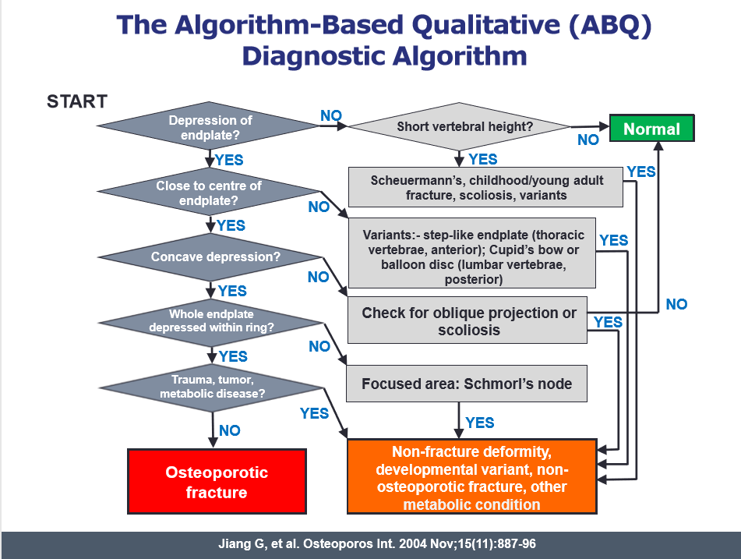
Incidential Vertebral Fracture Demand Model
Definition of vertebral fracture
Instructions and notes for this sheet
This sets out the authoritative guidance on definition of vertebral fracture.
Guidance only - do not enter data on this sheet.

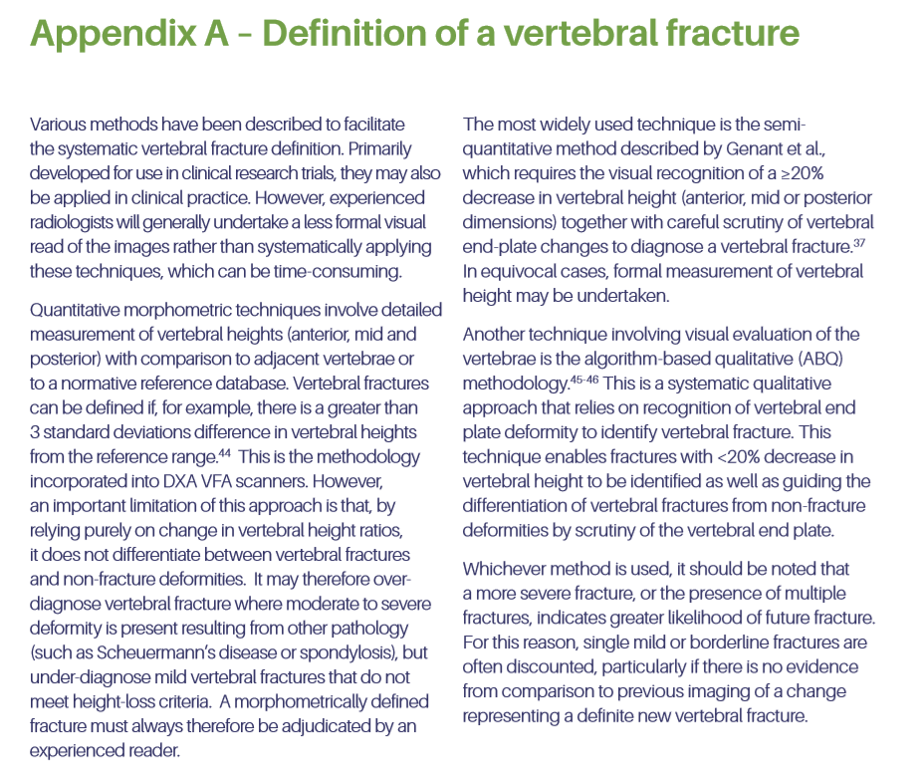
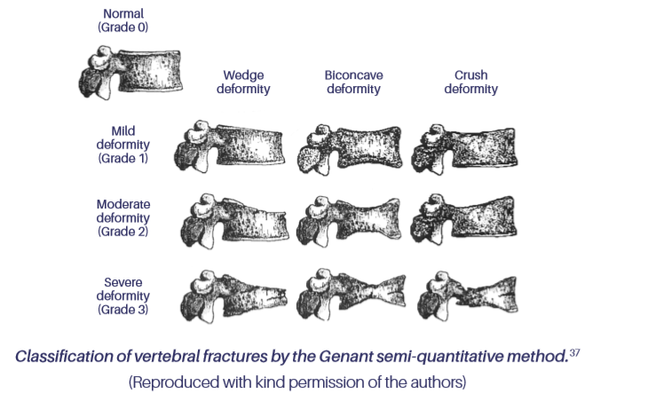

 | 37 Genant HK, Wu CY, van Kuijik C, Nevitt MC. Vertebral fracture assessment using a semi-quantitative technique JBMR. 1993;8(9):1137-48.

VFx Management
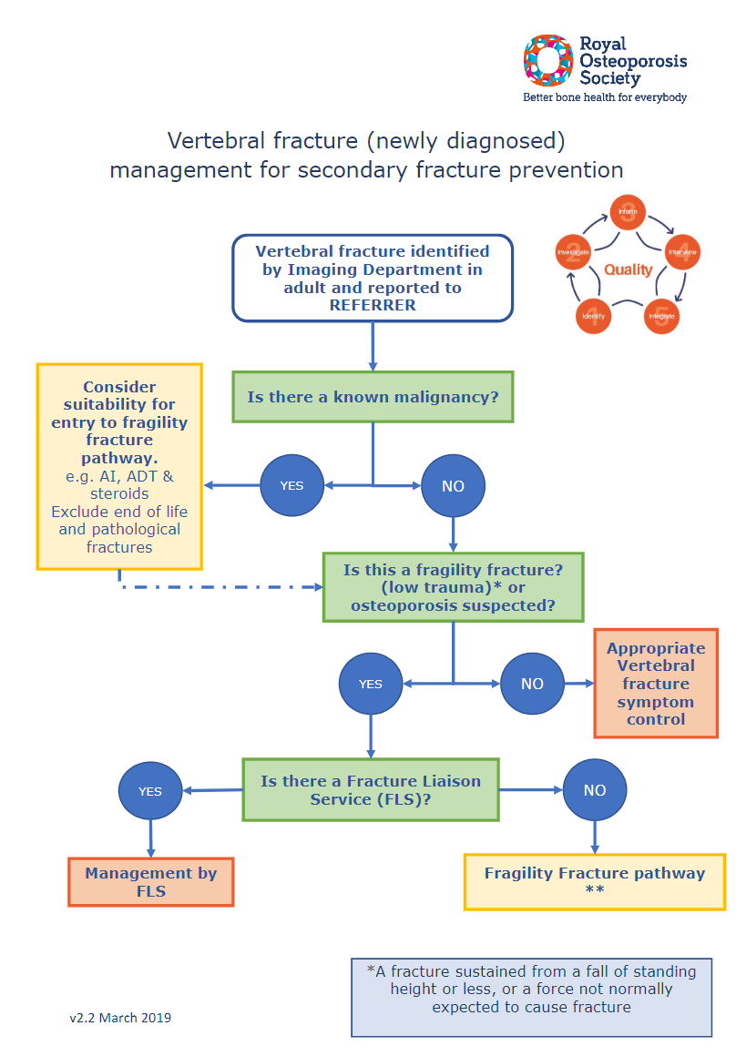
Incidential Vertebral Fracture Demand Model
Management of vertebral fracture
Instructions and notes for this sheet
This sets out the authoritative guidance on management of vertebral fracture.
Guidance only - do not enter data on this sheet.

lists
Incidential Vertebral Fracture Demand Model
Lists
Instructions and notes for this sheet
This sheet includes data used in the calculations.
Functionality only - do not enter data on this sheet.

 | Lists

 |  | Data collection
 |  | 0
 |  | 1

