Audit Reporting template
patietns with vertebral fracture(s) identified by auditor |  | Scans with no vertebral fracture | Audit criteria | Was the spine mentioned in the clinical report? | Was a vertebral fracture(s) identified in the clinical report? | Does the clinical report use the term 'vertebral fracture' ? | Does the clinical report recommnd further assessment or referral to FLS/bone services?
12 |  | 16 | n. | 4 | 1 | 0 | 0
Total number audited | 28
% scans with vertebral fracture identified by auditor | 43 |  | % compliant | 33 | 8 | 0 | 0
 |  |  | Aduit standard | 100% | >90% | 100% | 100%

Vertebral fracture prevalence
patietns with vertebral fracture(s) identified by auditor | 12
Scans with no vertebral fracture | 16

Definition
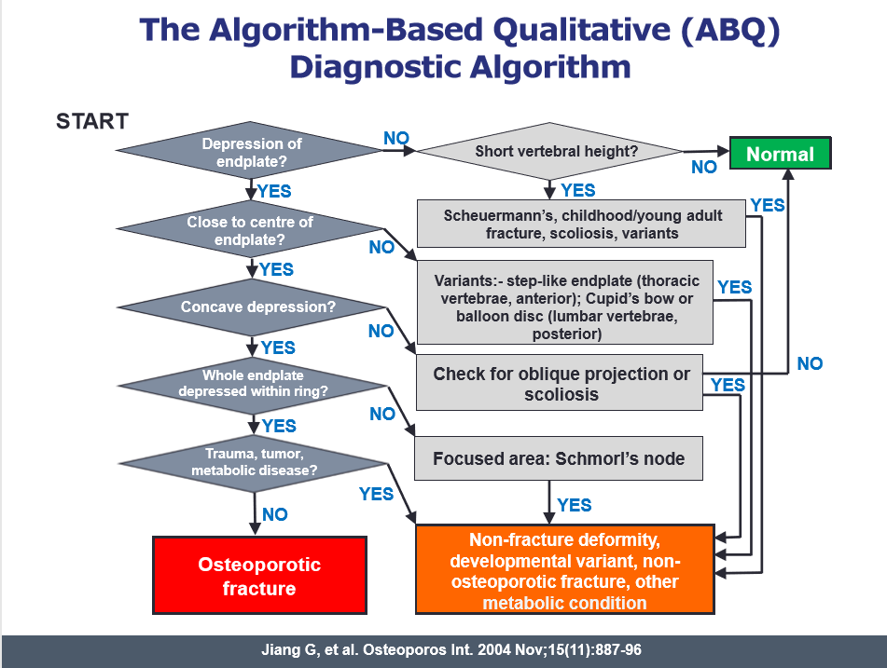
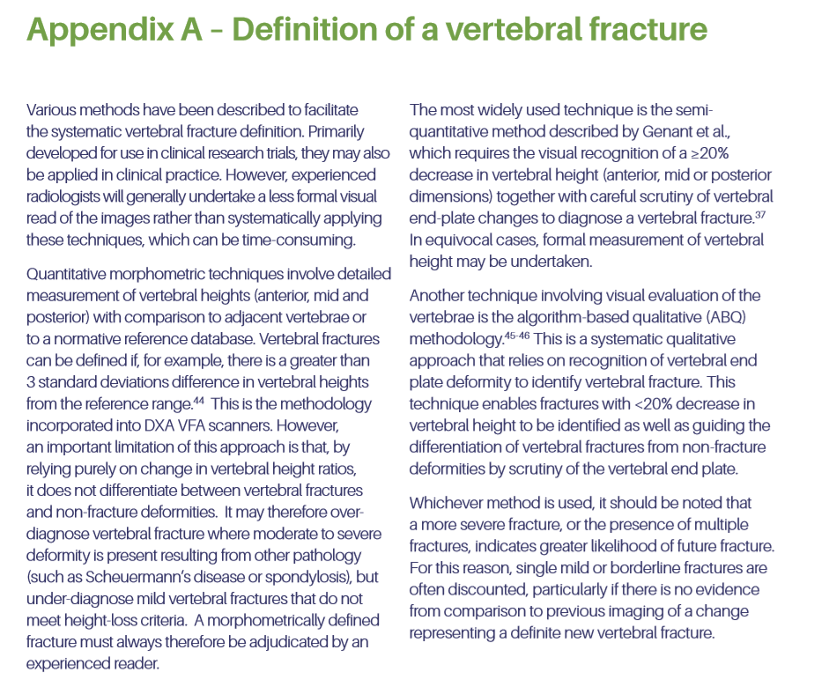
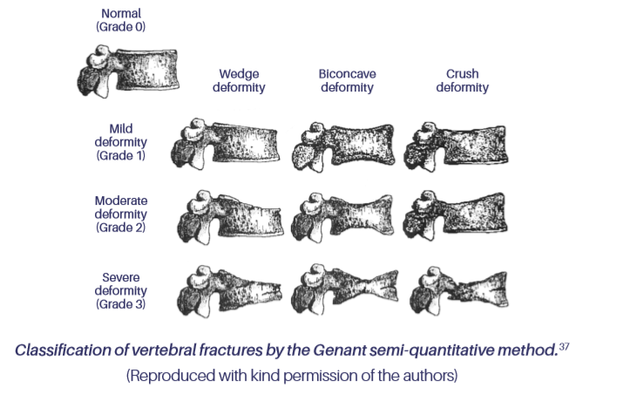

37 Genant HK, Wu CY, van Kuijik C, Nevitt MC. Vertebral fracture assessment using a semi-quantitative technique JBMR. 1993;8(9):1137-48.

